Introduction
TESTING ACCURACY |  | Kathleen Hunt, 17 Feb 2016

0. You have already done the parallelism test, right?
1. Select samples known or suspected to have low hormone content (you want normal amounts of "goop" in your sample - bile salts, fecal particulates, etc. - but low-ish amounts of actual hormone)
2. Make pool from those samples. This is your "low-hormone pool". You will need a lot of it. For a typical "50ul per tube" assay I make 1 ml of pool. For assays that need more per tube, I make 2 ml
3. Dilute to whatever dilution you think you will run most of your sample at. (i.e., dilution that fell close to 50% bound in your parallelism test earlier. When in doubt pick the more dilute dilution)
4. Set up assay with TWO pairs of zeros & TWO full sets of standards (all in duplicate)
optional: I like to add an additional low standard and if I am running out of room I will eliminate the top (highest dose) standard. This is because, once you spike the standards with your sample pool, you can end up with too much hormone per tube for the assay to be able to measure it accurately.
5. Buffer spike: Spike first set of standards and the first pair of zeros with an equal volume of ASSAY BUFFER. (this is to bring them to the same volume as the spiked set). "Equal volume" means: if your assay normally takes 50ul of standard per tube/well, add 50ul of buffer. If it takes 100ul per tube/well, add 100ul of buffer.
6. Pool spike: Spike second set of standards and second pair of zeros with an equal volume of POOLED SAMPLE.
7. Run assay as usual. Everything will be slightly higher volume than normal - that's ok. (If doing an EIA: It will still fit in the wells even at 50ul higher volume)
8. Do curve fit as usual, using the unspiked standards & zeros to determine the apparent hormone content of the spiked standards & zeros Lay out data as follows:

Standards | Pool (turtle plasma pool, whale fecal extract pool, etc.)
Known dose: | Apparent dose reported by assay:
0 | 0.1865
0.0625 | 0.2692
0.125 | 0.3436
0.25 | 0.4856
0.5 | 0.7486
1.25 | 1.6732
2.5 | 3.134
5 | 5.4338 | <- this highest standard is the least important since it is usually pretty far off the curve (because has lots of hormone) & therefore the least precise of all your data points.

9. Graph known dose of pure standards (x axis) vs apparent dose of spiked standards. (do not include the spiked zero's in this analysis)
Put it on a square plot where x & y axis are same dimensions.
Should see a straight line that is elevated up above the 1.0 (imaginary) 45-degree line by a small amount (the elevation should be whatever the pool's dose of hormone was)

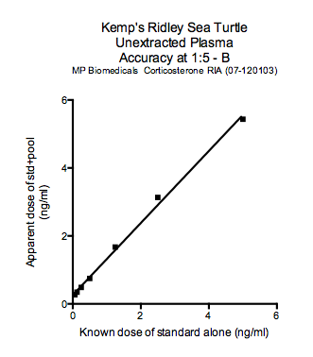

10. Stats to report:
Was line straight? (r2 of linear regression above .95)
Slope (of linear regression) should be close to 1. Report the slope, whatever it was. I like it to be within 0.7-1.3 (0.8-1.2 preferred) but there is no standard in the literature. The further away from 1 it is, the more important it is to assay all samples at the same dilution.
Does the y-intercept of the regression line match the apparent dose of the spiked nsb's? (There is no standard for this in the literature & I think I'm the only person who looks at this)

11. If accuracy is crappy: (nonlinear, or very flat slope, or very steep slope): Try again at a more dilute dilution. Usually diluting it a bit more will solve the problem. If it doesn't: try different extraction solvent

Examples of crappy accuracy:
 | Slope too steep (this one is 1.4) |  | Slope too shallow | A borderline case of "not really straight"
 | I think means there is a 3rd competitor |  | (Something preventing antibody from binding at all. | (I don't know why this happens)
 | (something in sample is weakly |  | Commonly happens w/too-strong dilutions where | Test w/a 2nd try. Sometimes this is just a fluke of pipetting & resolves on a re-test
 | binding to the ab, can be easily displaced |  | there is too much alcohol/other solvent /
 | by pure hormone) |  | wrong buffer / wrong pH)
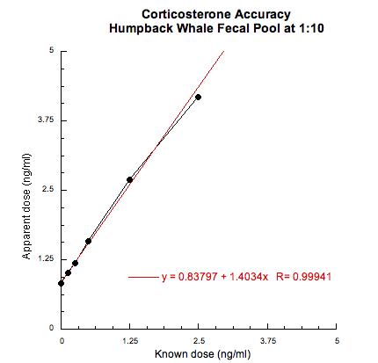
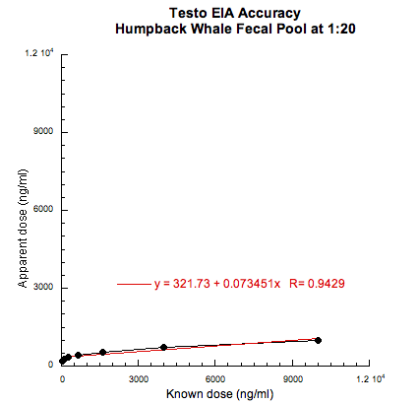
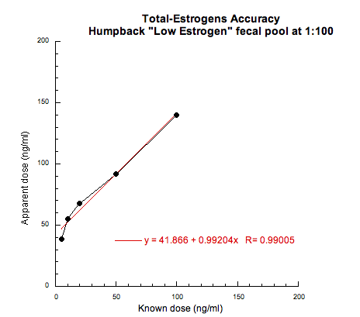

Kathleen's typical text (this is from a leatherback ms draft as of late 2015)
Methods:
Both assays were validated for unextracted leatherback plasma using standard parallelism and accuracy tests (Grotjan et al., 1996; Ezan et al., 2000; Hunt et al., 2012). For the parallelism test, serial dilutions of a leatherback plasma pool (produced by combining equal volumes from all 2007-2009 samples) were assayed alongside a full standard curve and assessed for parallelism of the linear portion of the curves. Based on parallelism results, all samples were diluted 1:10 in assay buffer for subsequent corticosterone assays, but were assayed at 1:1 for fT4, so as to fall close to 50% bound on the standard curve of each assay, the area of greatest precision. Assay accuracy (aka "matrix test") was tested by assaying standards that were spiked with an equal volume of a charcoal-stripped 1:10 pool (corticosterone) or 1:1 pool (fT4), and assessing a graph of apparent vs. expected dose for a straight slope that is close to 1.0.

(In Statistics section, sometimes: Assay validation results were assessed with F tests for parallelism and linear regression for accuracy. )

Results:
Parallelism and accuracy were good for both assays. In the parallelism tests, the slope of serially diluted plasma was parallel to the standard curve (corticosterone, F1,8 = 0.1689, P = 0.6919; fT4, F1,5 = 3.9425, P = 0.1038). In the accuracy tests, the slope of observed vs. expected dose was linear and within the desired range of 0.7–1.3 (corticosterone, r2 = 0.9677, slope = 0.8428; fT4, r2 = 1.000, slope = 1.262).

My usual two citations for this are chapters from the same book:
Grotjan HE, Keel BA (1996) Data interpretation and quality control. In Diamandis EP, Christopoulos TK eds, Immunoassay, San Diego: Academic Press, pp 51-95.
Ezan E, Grassi J (2000) Optimization. In Gosling JP ed, Immunoassays: A Practical Approach, Oxford, UK: Oxford University Press, pp 187-210.

